summary
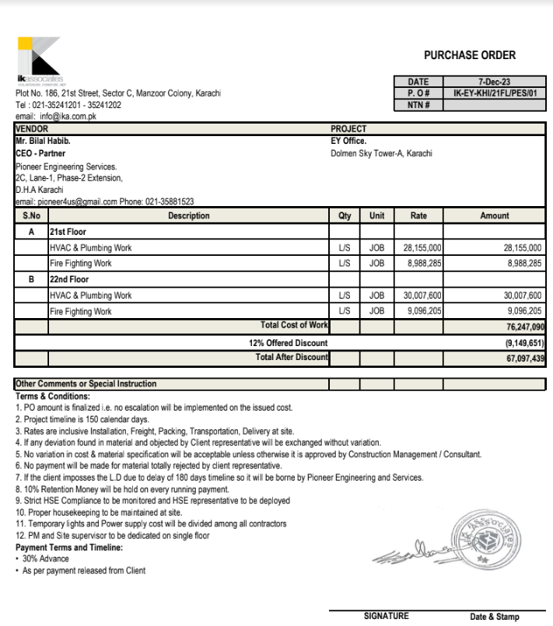

 |  |  |  | Ernst & Young

HVAC & Fire Fighting Work |  |  |  | 24-Nov-23

SUMMARY OF BILL OF QUANTITIES

S.No | Description | Material | Labour | Amount

1 | HVAC Work 21st Floor | 21,822,670 | 2,953,729 | 24,776,400
2 | Fire Fighting 21st Floor | 6,513,008 | 1,396,683 | 7,909,691

1 | HVAC Work 22nd Floor | 23,345,423 | 3,061,265 | 26,406,688
2 | Fire Fighting 22nd Floor | 6,602,416 | 1,402,245 | 8,004,660

 | Grand Total Amount | 58,283,517 | 8,813,922 | 67,097,439
 | Add 4.5% |  |  | 3,019,385
 | Gross Amount |  |  | 70,116,824
 | 90% Payment |  |  | 63,105,141
 | Received Amount |  |  | 62,447,124
 | Payable Amount |  |  | 658,017
 |  |  |  |  | 76,247,090
 |  |  |  |  | 13,724,476
 |  |  |  |  | 62,522,614

